RV15 JXJ
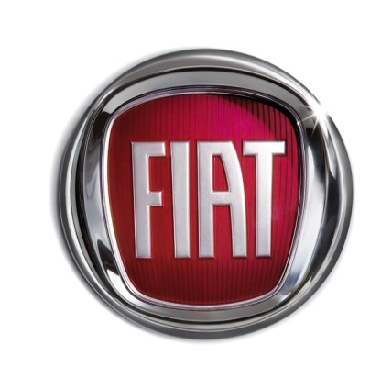

Lounge 1.2 69hp

ENGINE |  |  |  | EXTERIOR
Configuration |  |  | 4 cylinders | Fixed sunroof
Cubic Capacity (CC) |  |  | 1242 | Chrome Kit
Valves |  |  | 8 | Fog Lights
Bore x Stroke(mm) |  |  | 70.8 x 78.9 | Electrically adjustable body coloured door mirrors with defrosting and external temperature sensor
Compression ratio |  |  | 11.1:1
Fuel Type |  |  | Petrol | LED Daytime Running Lights
Max. Power - kW / Max. Power - hp / @rpm |  |  | 51/69/5500 | 15" Alloy Wheels
Max. Torque - Nm / @rpm |  |  | 102/3000 | Chrome plated exterior door handles
TRANSMISSION |  |  |  | INTERIOR
5-speed manual |  |  | FWD | Height adjustable driver's seat
STEERING & SUSPENSION |  |  |  | 5" touchscreen Radio with Bluetooth, USB and Aux-in
Front Suspension | MacPherson Independent |  |  | Leather steering wheel with audio controls
Rear Suspension | Torsion Beam |  |  | 50/50 split folding rear seat with height adjustable head restraints
Power Steering Type |  | Dual Drive Electric |  | Height adjustable steering wheel
Turning Circle (kerb to kerb in metres) |  |  | 9.3 | Passenger seat with memory function
BRAKES |  |  |  | COMFORT & FUNCTIONALITY
Front Brakes |  |  | Disc - 257 mm | Rear parking sensors
Rear Brakes |  |  | Drum | Air conditioning
DIMENSIONS (mm) |  |  |  | Remote central locking
Height |  |  | 1488 | Electric front windows
Length |  |  | 3571 | Automatic door locking
Width without/with exterior mirros |  |  | 1627/1893 | Space save spare wheel
Wheelbase |  |  | 2300 | Start&Stop
Track front / rear |  |  | 1413/1407 | SAFETY
CAPACITIES & WEIGHTS |  |  |  | ABS with EBD (Electric Brake Distribution)
Kerb Weight (kg) |  |  | 865 | Front Airbags
Max. towing weight - braked trailer (kg) |  |  | 800 | Side bags
Fuel tank capacity (ltr) |  |  | 35 | Window bag
Max. cargo volume - seats up (ltr) [iso 3832] |  |  | 185 | Driver's knee airbag
PERFORMANCE |  |  |  | ESC (Electronic Stability Control)
0-62 mph (0-100 km/h) (secs) |  |  | 12.9 | TPMS
Max. Speed (km/h) / Max. Speed (mph) |  |  | 160/99 | OPTIONS (Bold denotes fitment to the car)
FUEL ECONOMY & EMMISSIONS |  |  |  | 16" Alloy Wheels | £180
Combined mpg / Combined L/100km |  |  | 60.1 / 4.7 | Leather Interior | £780
Extra Urban mpg / Extra Urban L/100km |  |  | 65.7 / 4.3 | Dark tinted rear windows | £160
Urban mpg / Urban L/100km |  |  | 51.4 / 5.5 | Body coloured side strips with Fiat 500 logo | £110
EU Emissions Standard |  |  | Euro 6 | Bi-xenon headlights | £610
CO2 (g/km) |  |  | 110 | DAB Radio | £100
Total OTR Price |  |  | £12,640.00 | DAB Radio & TOMTOM Navigation | £350
Exterior Colour & Second Skin |  |  |  | 7"TFT Screen | £250
Pastel Paint (Bossa Nova White) |  |  | £0 | Automatic Climate Control | £270
Special Pastel Paint |  |  | £300 | Electrochromatic rear view mirror | £110
Metallic Paint |  |  | £460 | Dualogic gearbox | £750
Tricoat Paint |  |  | £740 | Dualogic controls on steering wheel | £110
Second Skin (Shades) |  |  | £460 | Electric sunroof | £260
 |  |  |  | Total Price including Options | £14,080.00

